Flavours of India
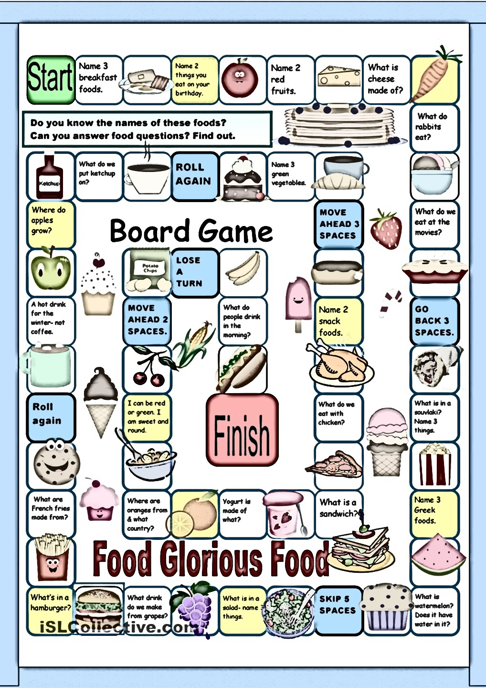

FLAVOURS OF INDIA

Z

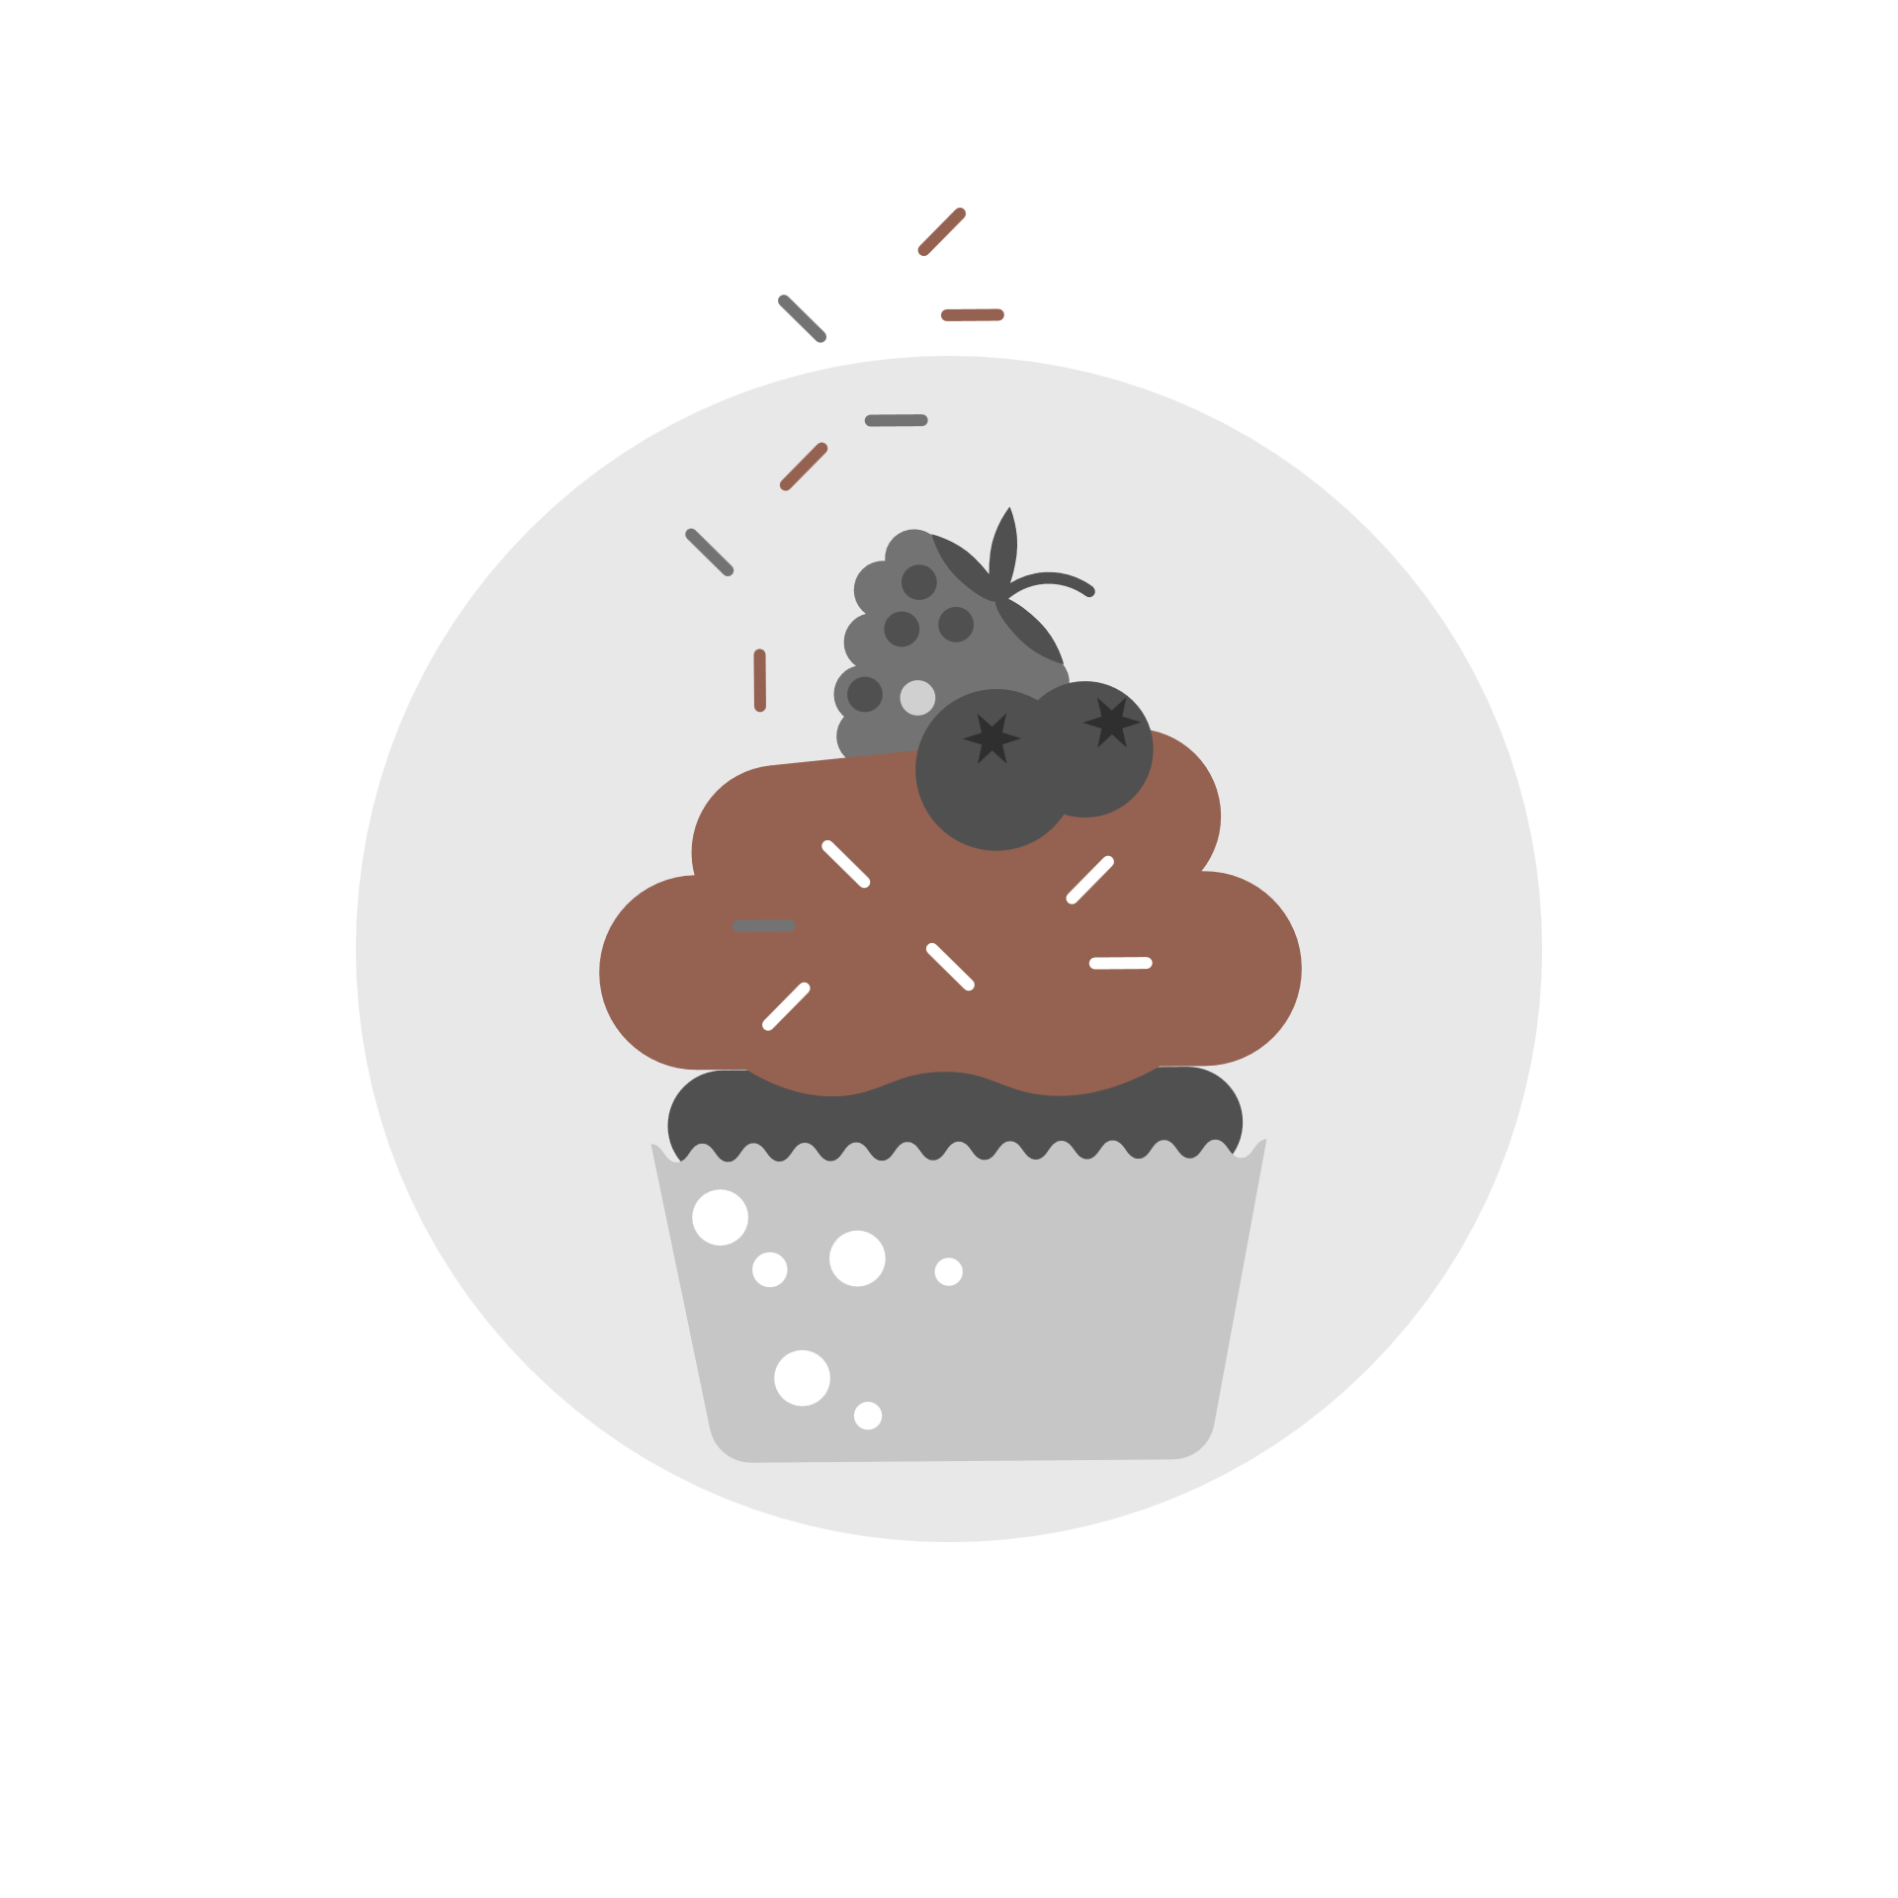
TOTAL STATES
21
28
TOTAL fOODS
181

PREPARE TIME BASED ON DIEST &COURSE
 | Total
non vegetarian main course | 410
non vegetarian starter | 360
vegetarian dessert | 2187
vegetarian main course | 1745
vegetarian snack | 825
(blank) (blank) | 0

VEG AND NON VEGTERIAN
 | Total
non vegetarian | 17
vegetarian | 163
(blank) | 0

This Photo by Unknown Author is licensed under CC BY-SA-NC

PRICE BASED ON NAMES
 | Total
Ariselu | 75
Bebinca | 60
Beef Fry | 60
Biryani | 120
Cham cham | 60
Daal baati churma | 90
Dal makhani | 60
Dharwad pedha | 60
Doodhpak | 60
Fara | 60
Gajar ka halwa | 60
Goja | 60
Kachori | 60
Kadhi pakoda | 60
Kheer sagar | 60
Kuzhakkattai | 90
Litti chokha | 60
Malapua | 120
Obbattu holige | 60
Pindi chana | 120
Poornalu | 60
Pootharekulu | 60
Ras malai | 60
Rasgulla | 90
Shrikhand | 720
Sohan halwa | 60
Sutar feni | 55
Undhiyu | 60

